Introduction
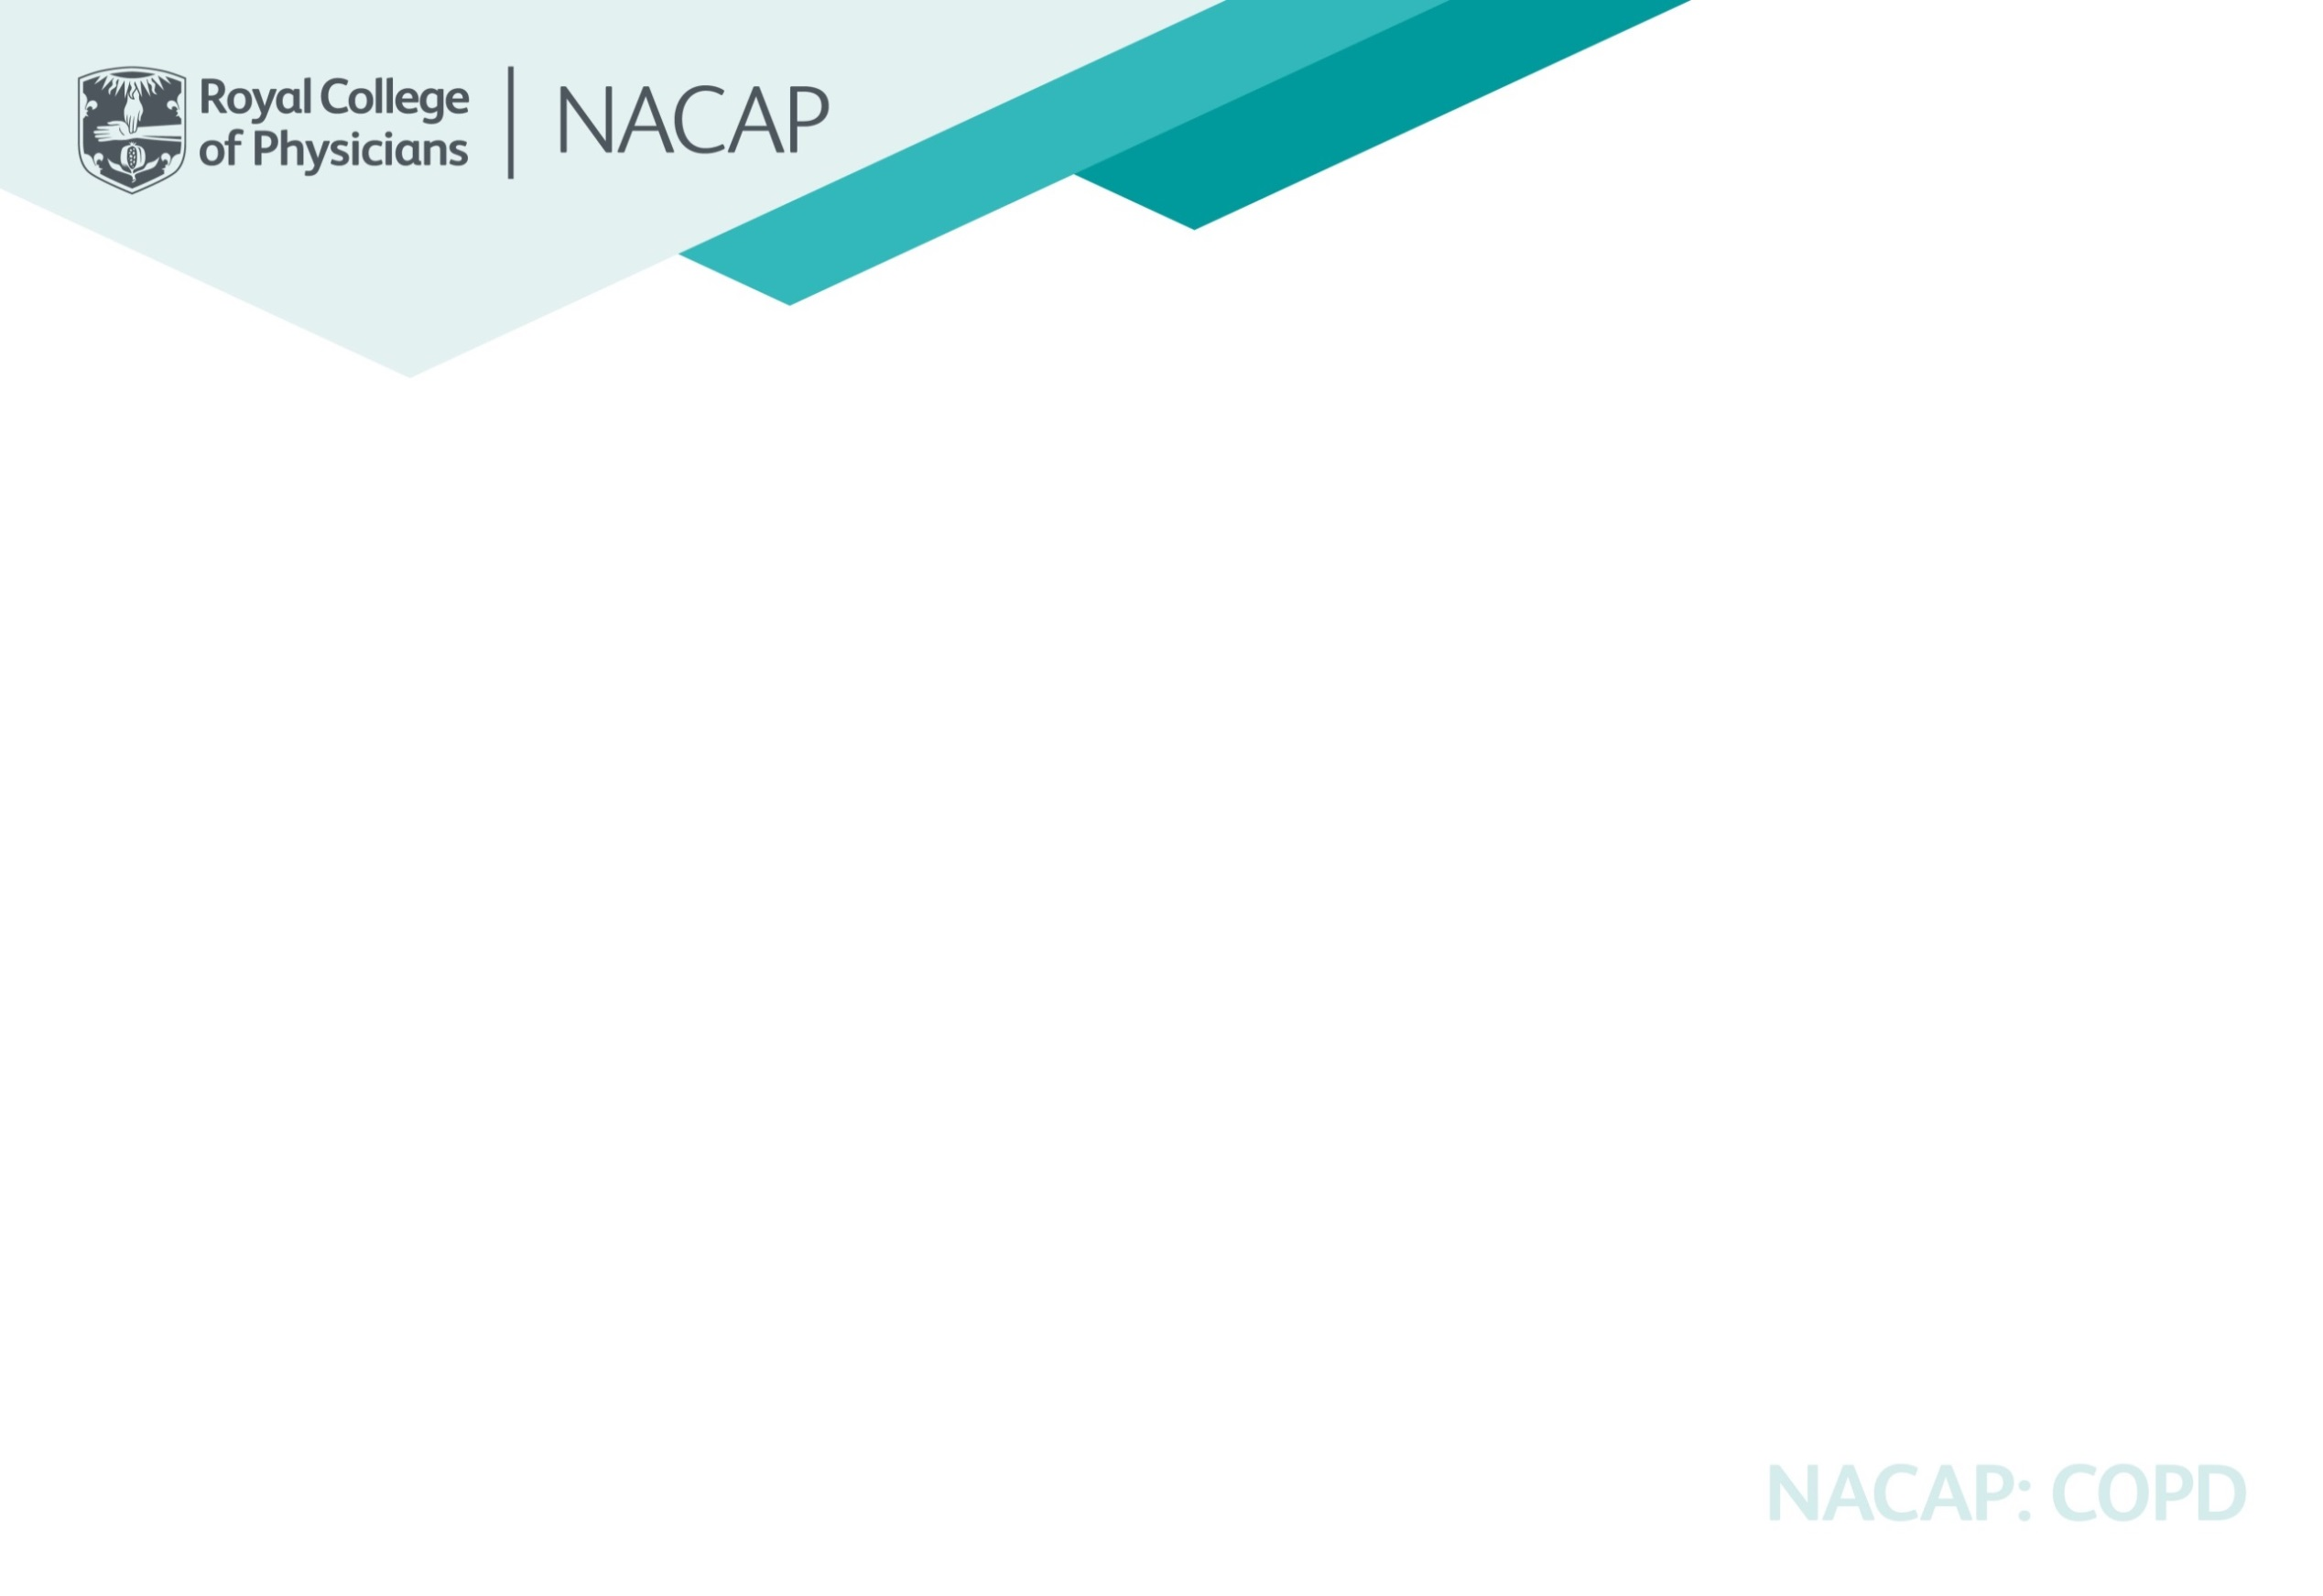

National Asthma and COPD Audit Programme
Pulmonary rehabilitation (PR) audit - Case ascertainment and workforce planning
This PR case ascertainment and workforce planning report provides important information on a) the complete number of referrals being received by PR services (including non-COPD) and b) the number of people with COPD eligible for and included in the NACAP PR clinical audit. It has been produced to inform national commissioning of PR services and to complement NACAP’s national clinical audit report, Drawing Breath, published in January 2023. Data is presented at national, country and service level (with NHS regional, integrated care system (ICS) and local health board (LHB) details) to enable national and local benchmarking. It should be used by services and all necessary stakeholders to inform national policy, funding and service development of PR services. If you have any queries or concerns about this please email pulmrehab@rcp.ac.uk.
Data for this report was collected via an online survey made available to PR services in summer 2022 and covers people referred to, assessed for and discharged from a PR programme in England and Wales between 1 March 2021 and 28 February 2022.
National, country and service level case ascertainment rates (column AB in the 'national' tab and column S in the 'England and Wales' tab) have been calculated based on the total number of records submitted to NACAP, compared with the data obtained from PR services on the number of patients considered eligible for the audit (see below).
Inclusion criteria for the PR audit is as follows:
o All patients with a primary diagnosis of COPD who:
- attend an initial assessment for PR
- are 35 years or over on the date of assessment.
All patients deemed eligible to be included in the audit are approached by a PR service team member to give written/verbal consent for their data to be used in the NACAP audit.
Exclusion criteria for the PR audit is as follows:
o Patients who do not give written/verbal consent for their data to be included in the audit
o Patients who have not been referred with a primary diagnosis of COPD.
Please note:
- PR services that have submitted less than five records to the audit have had their data supressed and the relevant numerator/denominator replaced with a <5 and therefore excluded (if applicable) from the case ascertainment calculation.
- PR services that are not eligible to participate in the audit have been excluded from the case ascertainment calculation. Trusts that are registered but haven't entered any data are listed in the non-participants tab.
- Where case ascertainment is over 100% this is likely to be due PR services not routinely collecting or storing this information and therefore not being able to report it accurately on request. NACAP recommends PR services establish processes for accurately recording this information as it will be collected and reported on an annual basis from now on.
For more information about the NACAP PR audit, please go to www.rcp.ac.uk/projects/pulmonary-rehabilitation-pr-workstream.

